Sheet1
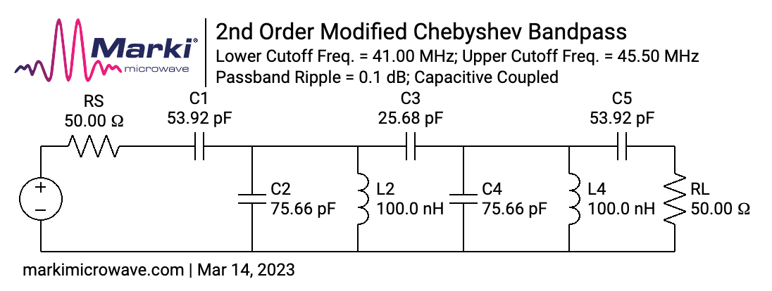
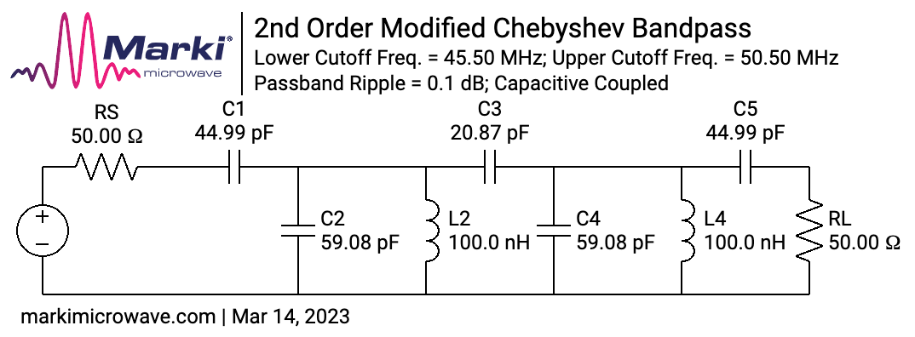


 | Bands | Start | End | LO Start | LO End | Center | BW
HF Band 1 | 160, 80, 60 | 1.0 | 5.5 | 41.0 | 45.5 | 43.25 | 4.5 | 41.0
HF Band 2 | 40, 30 | 5.5 | 10.5 | 45.5 | 50.5 | 48 | 5.0 |  | 50.5
HF Band 3 | 20, 17 | 10.5 | 18.5 | 50.5 | 58.5 | 54.5 | 8.0 | 50.5
HF Band 4 | 15, 12, 10 | 18.5 | 30.0 | 58.5 | 70.0 | 64.25 | 11.5 |  | 70.0

BFO | 40.035 MHz

